Sheet1
 |  | Document No. | Issue No. | Issue Date |  |  | Review and Replace Date |  | Authorised By
 |  | GFF291MC | 3 | 22.06.2019 |  |  | 16.11.2021 |  | Magda Shah
 |  | Document Title | 4 LAMB SAMOSA (COOK) 160G
Document amendments reason for change |  | Film Updated |  | Page 1 of 1 |  | Previous Issue Date |  | 22.09.2021 | Uncontrolled copy unless signed original

FLSAC1-R8TCO | COOK |  | 4 LAMB SAMOSA (COOK) 160G | FROZEN

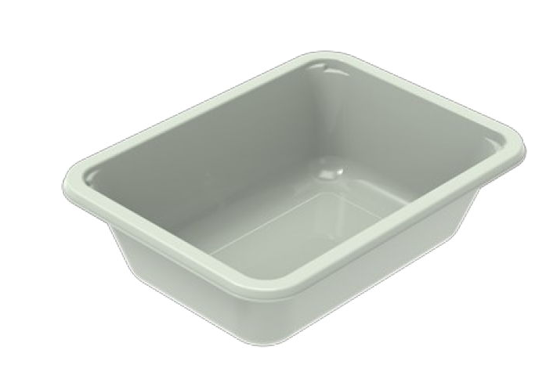 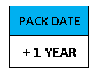  |  |  |  |  | 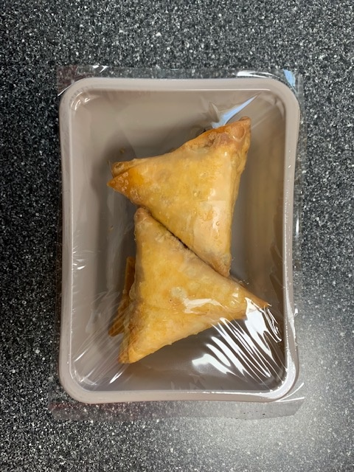 

PROCESS TO FOLLOW:
- Pack 4 lamb samosas CHILLED in correct tray (NO GAS)
- Send to sleeving for sleeves & BB date application
- Once sleeves applied, product to be placed in a cage and sent to Blast Freezer - Dispatch for freezing

4
pieces

Tray: EVOLVE CPET 2171-1F FROST (PKRHP001-14) |  |  |  |  | 4 x Lamb Samosa (Cook) (GFF368R) 40g
Film: K Peel 3G 25µm (275mmX1000lm)(PKKMP001-04) |  |  |  |  | Total Weight : 160g
ALLERGY ALERT: WHEAT

